SCRIPT
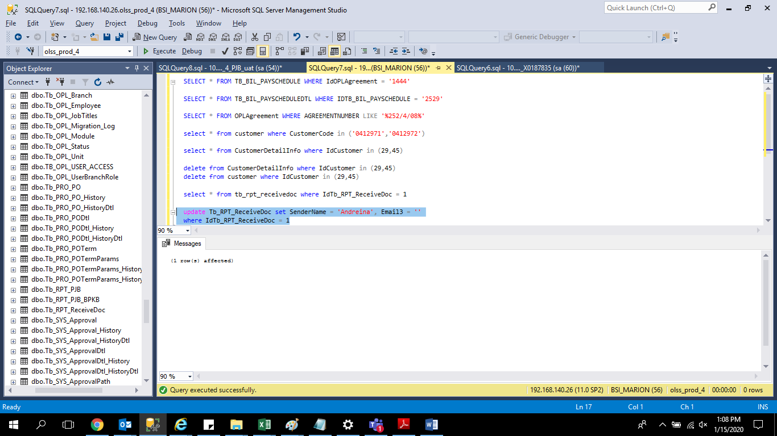
update Tb_RPT_ReceiveDoc set SenderName = 'Andreina', Email3 = ''
where IdTb_RPT_ReceiveDoc = 1

SCREENSHOOT
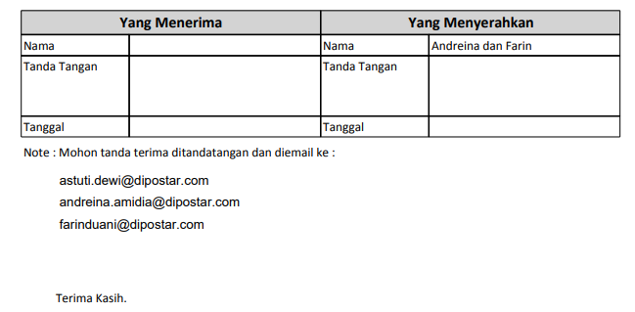
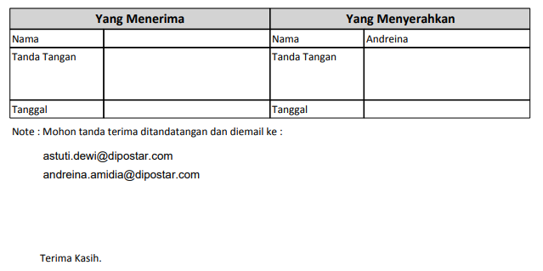
BEFORE | AFTER

